Sheet1
Bug ID | Title/Summary | Reporting Date | Reporter | Test item | Test Environment | Test description | Bug Type | Expected Results | Acrtual Results | Severity | Frequency | Status | Screenshot
BG-01 | the page becomes unresponsive when clicking on the numbers of results. | 27/10/2022 | M Talha Tanveer Qasmi | https://academybugs.com/store/all-items/# | All Browsers | 1.Open https://academybugs.com 2.Click the Find Bugs link on the navigation bar 3.Click on the buttons to show a certain number of results at the top left | Crash | The selected number of results is displayed according to the clicked buttons | The page freezes when clicking on the numbers of results | High | Every Time | Open | 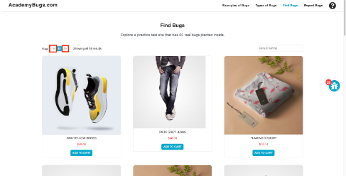
BG-02 | In this bug, the short description and description of the product are not in English. | 27/10/2022 | M Talha Tanveer Qasmi | https://academybugs.com/store/all-items/# | All Browsers | 1.Open https://academybugs.com 2.Click the Find Bugs link on the navigation bar 3.Open a product | Content | The short description and description of the product are in English | The short description and description of the product are not in English | Medium | Every Time | Open | 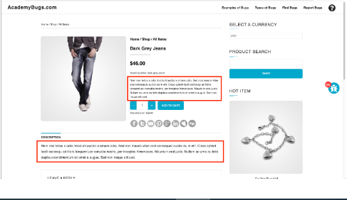
BG-03 | In this bug, the page becomes unresponsive when clicking on the Post Comment button. | 27/10/2022 | M Talha Tanveer Qasmi | https://academybugs.com/store/all-items/# | All Browsers | 1.Open https://academybugs.com 2.Click the Find Bugs link on the navigation bar 3.Open a product Scroll down to the Leave a Reply section 4.Fill out the comment form 5.Click "Post Comment" | Crash | The comment is posted under the product | The page becomes unresponsive when clicking on "Post Comment" | High | Every Time | Open | 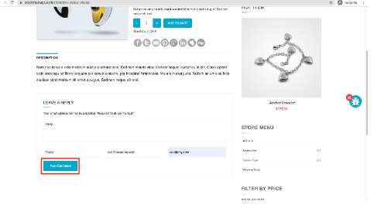
BG-04 | In this bug, the Sign In button overlaps the footer. | 27/10/2022 | M Talha Tanveer Qasmi | https://academybugs.com/store/all-items/# | All Browsers | 1.Open https://academybugs.com 2.Click the Find Bugs link on the navigation bar 3.Open a product 4.Scroll down to the bottom of the right side menu | Visual | The Sign In button is above the footer | The Sign In button overlaps the footer | Low | Every Time | Open | 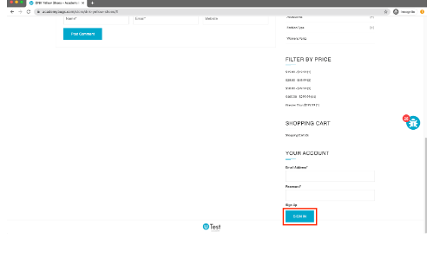
BG-05 | In this bug, there are unreadable symbols in the shopping cart popup. | 27/10/2022 | M Talha Tanveer Qasmi | https://academybugs.com/store/all-items/# | All Browsers | 1.Open https://academybugs.com 2.Click the Find Bugs link on the navigation bar 3.add one or more product to the cart 4.click "view cart" on top of the page 5.Scroll down to theshopping cart section of the right side menu 6.Hover over the shopping cart caption | Content | All characters are clear to a regular user | There are unreadable symbolsin the shopping cart popup | Low | Every Time | 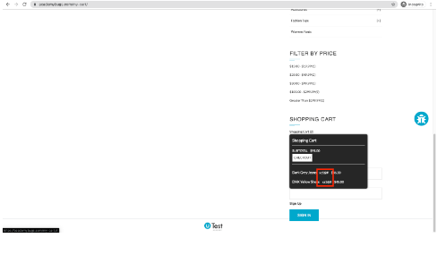 Open
BG-06 | In this bug, the caption of the Sign In button is misaligned vertically | 27/10/2022 | M Talha Tanveer Qasmi | https://academybugs.com/store/all-items/# | All Browsers | 1.Open https://academybugs.com 2.Click the Find Bugs link on the navigation bar 3.Open a product 4.Scroll down to the bottom of the right side menu 5.Enter any login and password that are not registered and clicl"Sign In" | Visual | the caption of the Sign In button is centered vertically | the caption of the Sign In button is misaligned vertically | Low | Every Time | Open | 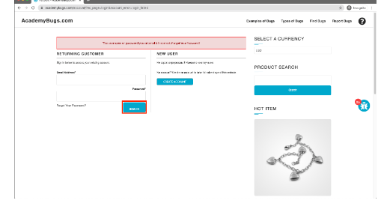
BG-07 | In this bug, the page freezes when changing the currency. | 27/10/2022 | M Talha Tanveer Qasmi | https://academybugs.com/store/all-items/# | All Browsers | 1.Open https://academybugs.com 2.Click the Find Bugs link on the navigation bar 3.Open a product 4.Change the currency in the right side menu | Crash | The currency is changed as expected | The page freezes when changing the currency | High | Every Time | Open | 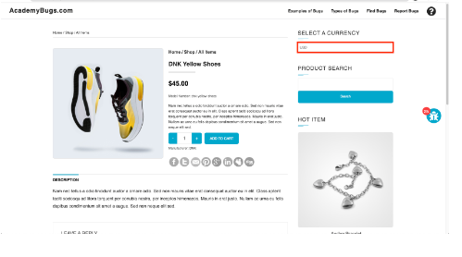
BG-08 | In this bug, the product in the Hot Item section keeps loading. | 27/10/2022 | M Talha Tanveer Qasmi | https://academybugs.com/store/all-items/# | All Browsers | 1.Open https://academybugs.com 2.Click the Find Bugs link on the navigation bar 3.Open a product 4.Open the product in the Hot Item section of the right side menu | Performance | The product in the Hot Item section is displayed | The page loads infinitely | High | Every Time | Open | 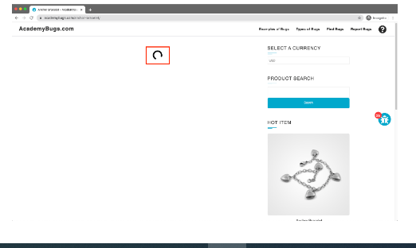
BG-09 | In this bug, the product quantity cannot be increased past 2. | 27/10/2022 | M Talha Tanveer Qasmi | https://academybugs.com/store/all-items/# | All Browsers | 1.Open https://academybugs.com 2.Click the Find Bugs link on the navigation bar 3.Add one or more products to the cart 4.Click the "View cart" link on top of the page 5.Set the products quantity to 3 or more 6.Click "update" below | Functional | The product quantity can be increased past 2 | When clicking on the update button the product quantity becomes 2 again | High | Every Time | Open | 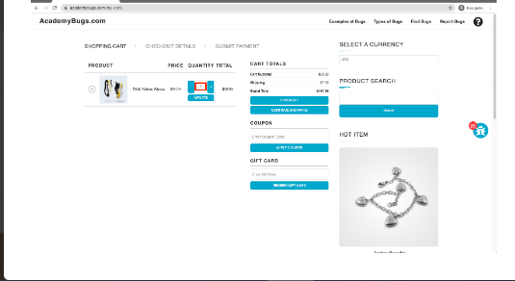
BG-10 | In this bug, the grand total is $100 more than the sum of all products in the cart. | 27/10/2022 | M Talha Tanveer Qasmi | https://academybugs.com/store/all-items/# | All Browsers | 1.Open https://academybugs.com 2.Click the Find Bugs link on the navigation bar 3.Add one or more products to the cart 4.Click the "View cart" link on top of the page, or click "Continue to Shipping" in the checkout details page | Functional | The grand total is equal to the sum of all products in the cart | The grand total is $100 more than the sum of all products in the cart | Critical | Every Time | Open | 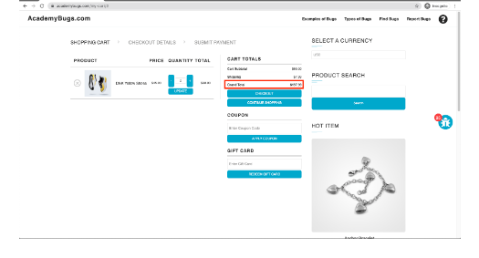
BG-11 | In this bug, the yellow and orange colors of the product are misspelled. | 27/10/2022 | M Talha Tanveer Qasmi | https://academybugs.com/store/all-items/# | All Browsers | 1.Open https://academybugs.com 2.Click the Find Bugs link on the navigation bar 3.Open a product with color options 4.Choose the Yellow and Orange colors | Content | The yellow and orange colors are spelled correctly | Yellow is misspelled as "Yelow" and Orange as "Orang" | Low | Every Time | Open | 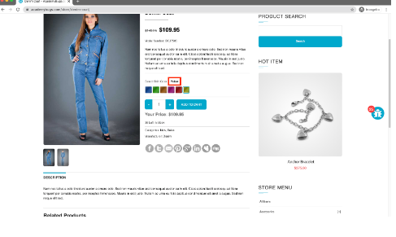
BG-12 | In this bug, the manufacturer link in the product details page is broken. | 27/10/2022 | M Talha Tanveer Qasmi | https://academybugs.com/store/all-items/# | All Browsers | 1.Open https://academybugs.com 2.Click the Find Bugs link on the navigation bar 3.Open a product 4.Click the manufacturer link under the quantity | Functional | The manufacturer link shows an appropriate page | The manufacturer link opens an error page | Medium | Every Time | Open | 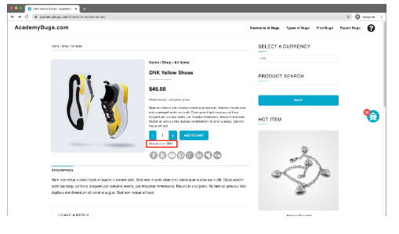
BG-13 | In this bug, the twitter share button in the product details page is broken. | 27/10/2022 | M Talha Tanveer Qasmi | https://academybugs.com/store/all-items/# | All Browsers | 1.Open https://academybugs.com 2.Click the Find Bugs link on the navigation bar 3.Open a product 4.Click the twitter share button | Functional | The twitter share button shows an appropriate page | The twitter share button shows an error page | Medium | Every Time | Open | 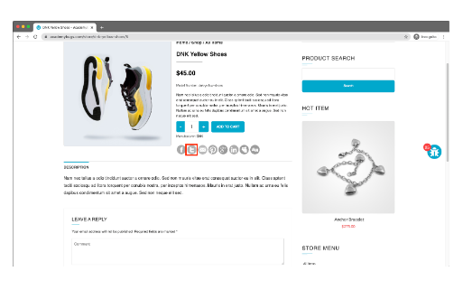
BG-14 | In this bug, the My Space share page loads infinitely. | 27/10/2022 | M Talha Tanveer Qasmi | https://academybugs.com/store/all-items/# | All Browsers | 1.Open https://academybugs.com 2.Click the Find Bugs link on the navigation bar 3.Open a product 4.Click the My Space share link | Performance | The user is able to share the product through My Space | The user is able to share the product through My Space | Low | Every Time | Open | 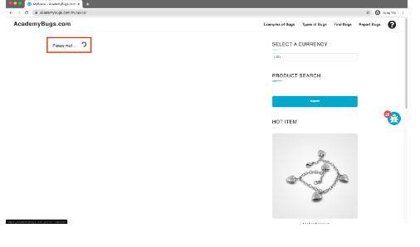
BG-15 | In this bug, the title of the password field is misaligned. | 27/10/2022 | M Talha Tanveer Qasmi | https://academybugs.com/store/all-items/# | All Browsers | 1.Open https://academybugs.com 2.Click the Find Bugs link on the navigation bar 3.Open a product 4.Scroll down to the bottom of the right side menu 5.Click "Sign In" without filling the form to open the Sign In page | Visual | The title of the password field is aligned the same as the field above | The title of the password field is not aligned the same as the field above | Low | Every Time | Open | 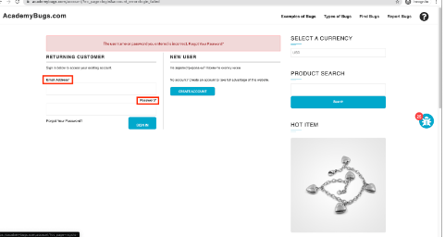
BG-16 | In this bug, the billing address loads infinitely. | 27/10/2022 | M Talha Tanveer Qasmi | https://academybugs.com/store/all-items/# | All Browsers | 1.Open https://academybugs.com 2.Click the Find Bugs link on the navigation bar 3.Open a product 4.Sign up if you are not signed up or log in at the bottom of right side menu 5.At the bottom of the right side menu select Dashboard 6.Scroll up to the Billing Address section | Performance | The Billing Address section shows appropriate info | The Billing Address section loads infinitely | Medium | Every Time | Open | 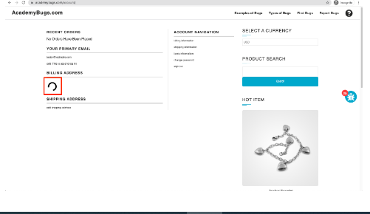
BG-17 | In this bug, the billing information isn't updated. | 27/10/2022 | M Talha Tanveer Qasmi | https://academybugs.com/store/all-items/# | All Browsers | 1.Open https://academybugs.com 2.Click the Find Bugs link on the navigation bar 3.Open a product 4.Click "Sign Up" at the bottom of right side menu 5.Sign up with fake data if you are not signed up. Otherwise enter your credentials and log in 6.At the bottom of the right side menu select Billing Information 7.Fill out the billing information form 8.Click "Update" | Performance | Billing information is updated after filling out the form and clicking "Update" | Billing information loads infinitely after filling out the form and clicking "Update" | High | Every Time | Open | 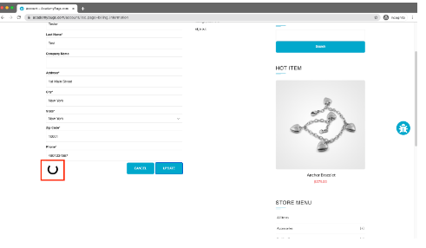
BG-18 | In this bug, the order history loads infinitely. | 27/10/2022 | M Talha Tanveer Qasmi | https://academybugs.com/store/all-items/# | All Browsers | 1.Open https://academybugs.com 2.Click the Find Bugs link on the navigation bar 3.Open a product 4.Sign up if you are not signed up or log in at the bottom of right side menu 5.At the bottom of the right side menu select Order History | Performance | Your Order History section shows appropriate info | Your Order History section loads infinitely | High | Every Time | Open | 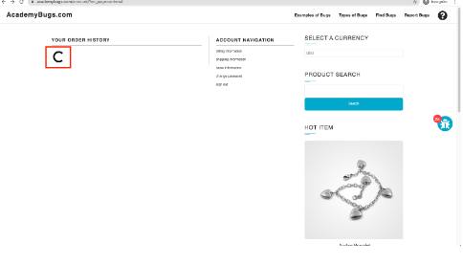
BG-19 | In this bug, the page becomes unresponsive when clicking on the Retrieve Password button. | 27/10/2022 | M Talha Tanveer Qasmi | https://academybugs.com/store/all-items/# | All Browsers | 1.Open https://academybugs.com 2.Click the Find Bugs link on the navigation bar 3.Open a product 4.Scroll down to the Your Account section of the right side menu 5.Click "Sign Up" 6.In the Returning Customer section click "Forgot Your Password?" 7.Enter your email in the field and click "Retrieve Password" | Crash | The password is sent to the entered email | The page becomes unresponsive when clicking on "Retrieve Password" and no email is sent | High | Every Time | Open | 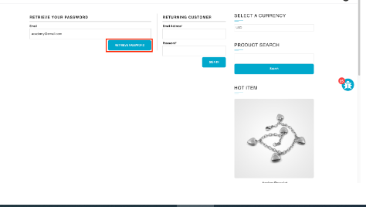
BG-20 | In this bug, the image is not completely displayed. | 27/10/2022 | M Talha Tanveer Qasmi | https://academybugs.com/store/all-items/# | All Browsers | 1.Open https://academybugs.com 2.Click the Find Bugs link on the navigation bar 3.Click on "Dark Grey Jeans" | Visual | The product image fills the box entirely | The image has a white space on the right | Medium | Every Time | Open | 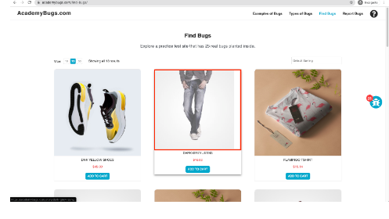
BG-21 | In this bug, the filter by price doesn't work in the product details page. | 27/10/2022 | M Talha Tanveer Qasmi | https://academybugs.com/store/all-items/# | All Browsers | 1.Open https://academybugs.com 2.Click the Find Bugs link on the navigation bar 3.Open a product 4.On the right side menu find the Filter by Price section 5.Select any of the price ranges | Functional | A list of products in the selected price range is shown | The same page reloads | Medium | Every Time | Open | 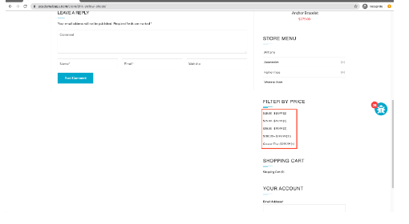
BG-22 | In this bug, there is big space before the last letter in "Return to Store". | 27/10/2022 | M Talha Tanveer Qasmi | https://academybugs.com/store/all-items/# | All Browsers | 1.Open https://academybugs.com 2.Click the Find Bugs link on the navigation bar 3.Open a product 4.Open the cart at the bottom of right side menu 5.Clear the cart if there are any items | Content | The caption of the "Return to Store" button is written with even spacing between letters | There is too much space before the last letter in "Return to Store" | Low | Every Time | Open | 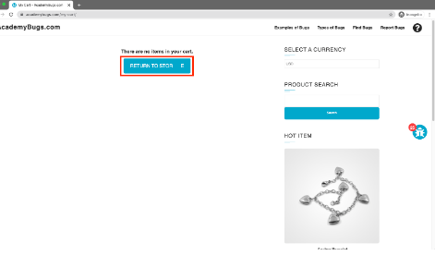
BG-23 | In this bug, the page freezes when increasing the product quantity having green or pink colors chosen. | 27/10/2022 | M Talha Tanveer Qasmi | https://academybugs.com/store/all-items/# | All Browsers | 1.Open https://academybugs.com 2.Click the Find Bugs link on the navigation bar 3.Open a product that has color options 4.Choose the pink or green color 5.Increase the product quantity by 1 or more | Crash | The quantity is increased to a desired value | The page becomes unresponsive when increasing the quantity with the pink or green colors chosen | High | Every Time | Open | 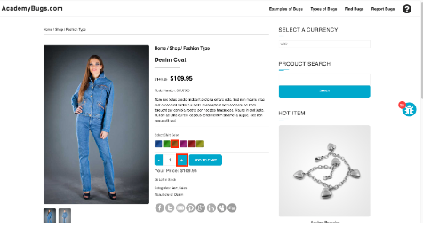
BG-24 | In this bug, the text under the New User section is not in English. | 27/10/2022 | M Talha Tanveer Qasmi | https://academybugs.com/store/all-items/# | All Browsers | 1.Open https://academybugs.com 2.Click the Find Bugs link on the navigation bar 3.Open a product 4.Scroll down to the bottom of the right side menu 5.Click "Sign In" to open the sign in page | Content | The text under the New User section is in English | The text under the New User section is in another language | Low | Every Time | Open | 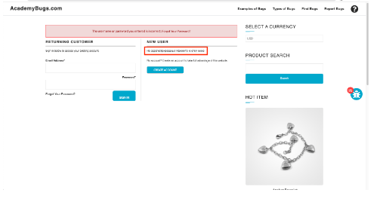
BG-25 | In this bug, item images have unnecessary space underneath. | 27/10/2022 | M Talha Tanveer Qasmi | https://academybugs.com/store/all-items/# | All Browsers | 1.Open https://academybugs.com 2.Click the Find Bugs link on the navigation bar 3.Open a product 4.Find the Store Menu section in the right side menu 5.Choose All Items | Visual | Item images have no space underneath | Item images have unnecessary space underneath | Low | Every Time | Open | 